1
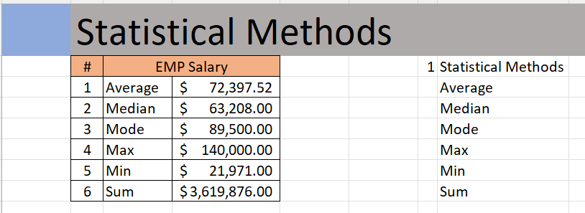
 | Statistical Methods

Outcome should be as below

5
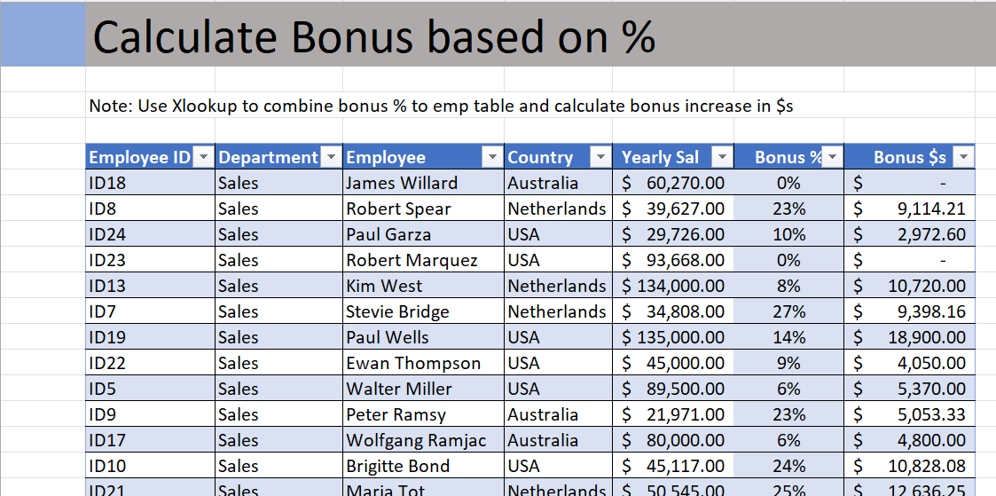
 | Calculate Bonus based on %

Output should look like below

6
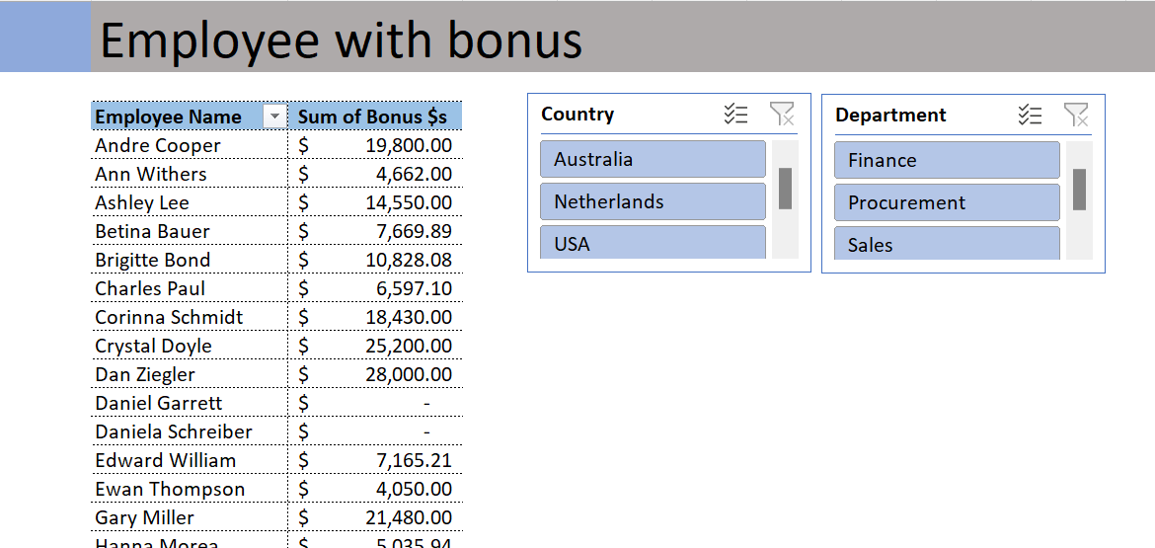
 | Employee with bonus

Output should look like below.

